Sheet1
Krispy Kreme DCM Example Question Layout

Please enter the number of each doughnut you would buy in a TYPICAL TRIP to KRISPY KREME. If there are any you wouldn’t buy, just leave these at 0. You can buy as many doughnuts as you want or none. Please scroll to view all the doughnuts before making your selection. Feel free to change your selection at any time before clicking the next button.

Light & Fluffy Doughnuts |  | Enter # would order |  | Mini Dougnuts (Price for 2) |  | Enter # would order |  | Filled Doughnuts |  | Enter # would order
Strawberry Iced Glazed | $1.89 | 0 | $0.00 | Mini Chocolate Icedl Glazed | $2.49 | 0 | $0.00 | Glazed Lemon Filled | $2.09 | 0 | $0.00
Original Glazed | $1.69 | 3 | $5.07 | Mini Original Glazed | $2.49 | 0 | $0.00 | New York Cheesecake Filled | $2.29 | 0 | $0.00
Chocolate Glazed | $1.89 | 0 | $0.00 | Mini Strawberry Iced w/Sprinkles | $2.49 | 0 | $0.00 | Chocolate Iced Custard Filled | $2.09 | 0 | $0.00
Maple Iced Glazed | $1.89 | 0 | $0.00 |  |  | 0 |  | Glazed Raspberry Filled | $2.09 | 0 | $0.00
Cinnamon Sugar | $1.89 | 0 | $0.00 |  |  | 0

Cake |  | Enter # would order |  | Shaped |  | Enter # would order
Cinnamon Sugar Traditional Cake | $1.89 | 0 | $0.00 | Chocolate Iced Bar | $2.89 | 0 | $0.00
Glazed Sour Cream Cake | $1.89 | 0 | $0.00 | Glazed Cinnamon Roll | $2.89 | 0 | $0.00 |  |  |  | $0.00
Glazed Chocolate Cake | $1.89 | 0 | $0.00
Traditional Cake | $1.89 | 0 | $0.00

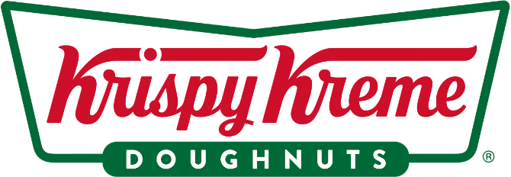

 |  |  |  | Total Cost |  | Total # ordered
 |  |  |  | $5.07 |  | 3
 |  |  |  | Proportion of dozen donuts ordered |  | 0.25

